D&G summary sheet
 |  |  |  |  |  |  |  |  |  |  | This year | 2022
Call sign | K1LHO
Year Licensed | 1959 |  | Score | 0 |  |  |  |  | Years lic. | 63 | Expience Multi. | 1
Licence class | ADVNACED |  |  |  |  |  |  |  |  |  | Handicap Multi. | 1
Month | November
 |  | Band
Contacts |  | VHF | UHF | 6m | 10m | 12m | 15m | 17m | 20m | 40m | 80m | 160m
MARC member contacts
DX Contacts (non-MARC)
FT4, FT8, JT modes (MARC or non-MARC)
Special W1NRG QSO
Special W1FD QSO
Special W1WRG QSO
Club Participation | Participation

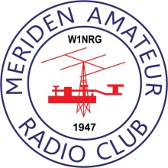
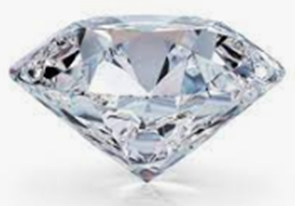
Fox hunts
POTA
MARC 2m Net
MARC 6m Net
MARC 10m Net
NH/MSX WX Net
Club contesting / volunteering
Summary
Member scoring |  | 0
VHF, UHV, 6m, 10m scoring |  | 0
DX 12m - 160m scoring |  | 0
FT4, FT8, JT modes (MARC or non-MARC) |  | 0
POTA, Fox Hunt, WARG, CERT, Contesting participation |  | 0
MARC Bonus contacts |  | 0
Nets |  | 0

